Design Examples
A138 | A139
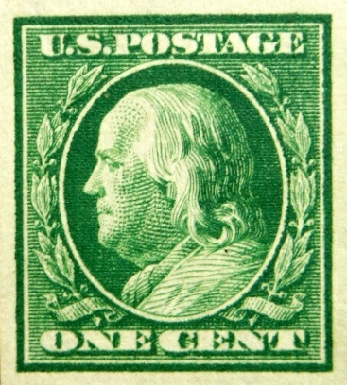
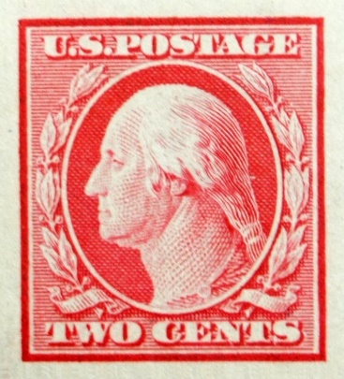

A140 | A148
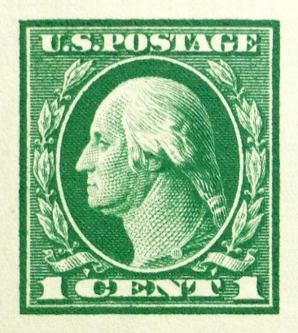
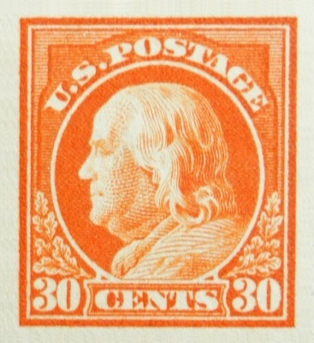

Note: Denominations under this design (A140) include: 1c, 2c, 3c, 4c, 5c, 6c, 7, 8c, 10c, 13c, 15c, 50c $1 | Note Denominations under this design (A148) include: 8c, 9c, 10c, 11c, 12c, 13c, 15c, 20c, 30c, 50c, $1

